AllGoVision
ALLGOVISION VIDEO ANALYTICS - DETECTION RANGE CALCULATOR - R2.0

 | OPERATOR PANEL - FOR INPUT & OUTPUT

 | Resolution |  |  | FHD, 1920x1080

 | Horizontal Field of View |  | (AV) | 75 | Degrees | (This is the Angle of View for the Camera)

 | Limiting Considerations |  |  | Pixels Requirement |  | (See below Note for the Limiting Criteria)

 | Max. Distance at which VA works |  |  | 127.00 | Meters | (Which is equivalent to 417 Feet.)

 | Note | The above is a general calculation of range for video analytics for Person Detection and Classification.
 | AllGoVision recommends testing at site for exact distance corresponding to real scenario. Video Analytics at night
 | would be dependent on light requirement of minimum 1 Lux for Intrusion Detection features. The above calculation
 | assumes: Width of a standard person = 2 Feet, Height of a standard person = 1.7 Meters. For Human Object Detection, the object should consist of minimum 100 Pixels.

 | CALCULATOR PANEL - FOR GEOMETRICAL CALCULATION
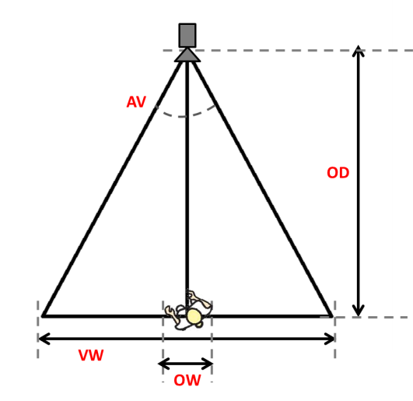
 | View Width in Pixels |  | (VWP) | 1920.00 | Pixels

 | Object Width Requirement based on Following Parameters

 | - Min. Width Ratio (2%) |  |  | 0.00 | Pixels

 | - Min. Height Ratio (7%) |  |  | 0.00 | Pixels

 | - Min Pixels for Detection (100) |  |  | 5.99 | Pixels

 | Object Width in Pixels |  | (OWP) | 5.99 | Pixels

 | Maximum View Width |  | (VW) | 195.46 | Meters

 | Maximum Object Distance |  | (OD) | 127.36 | Meters

